Research award list
 |  |  |  | BUG REPORT : Research award list

 | Title | Bug Description | steps to Reproduce | Expected Result | Actual Result | Priority | Date | Screenshots/ screenRecords | QA Name | Status |  |  |  | Remarks

1 | Campus name accepts numeric values | When any number is entered in campus field it gets accepted | 1) Open URL https://dev-portal.svkm.ac.in/researches/user 2) Enter valid user name and password 3) Click on research in dashboard 4) Click on Research awards 5) Enter campus | Only Numeric value should not get accepted | Only Numeric values are getting accepted | High | 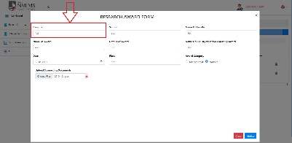 2024-04-30 |  | Firdous | Fail | Done | Not resolved | 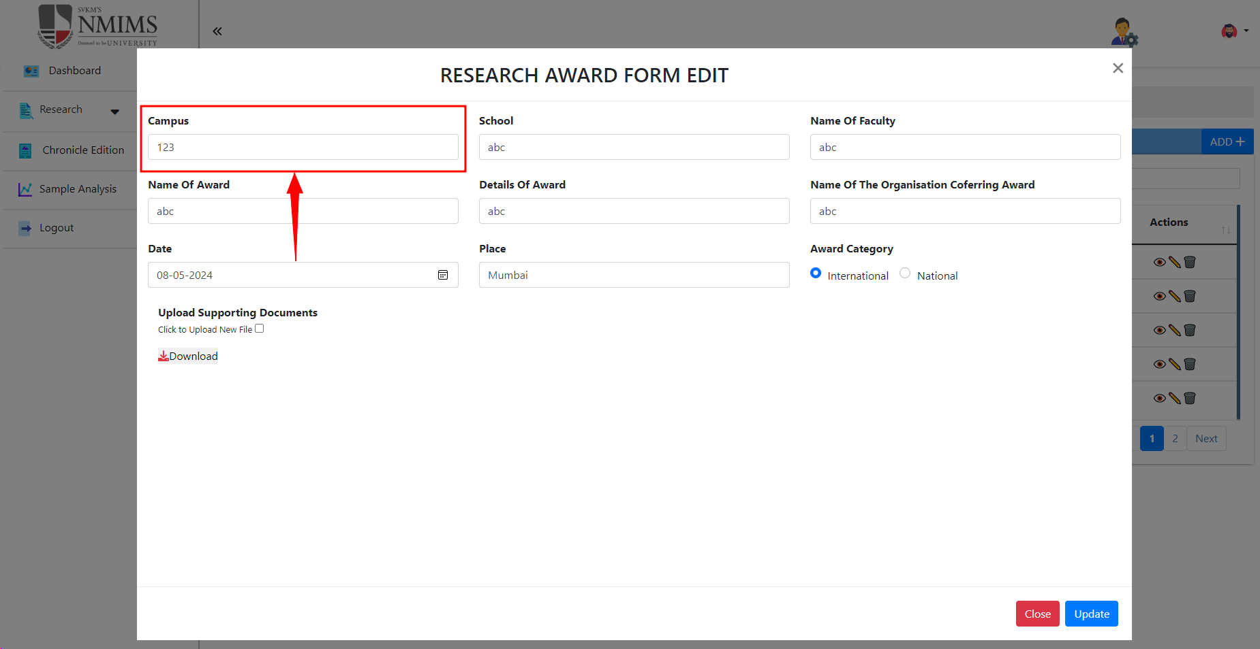 | Done
2 | Campus name accepts special character | When any special charachter is entered in campus field it gets accepted | 1) Open URL https://dev-portal.svkm.ac.in/researches/user 2) Enter valid user name and password 3) Click on research in dashboard 4) Click on Research awards 5) Enter campus | Only special character should not get accepted | Only special character is getting accepted | High | 2024-04-30 |  | Firdous | Fail | DONE | Not resolved | 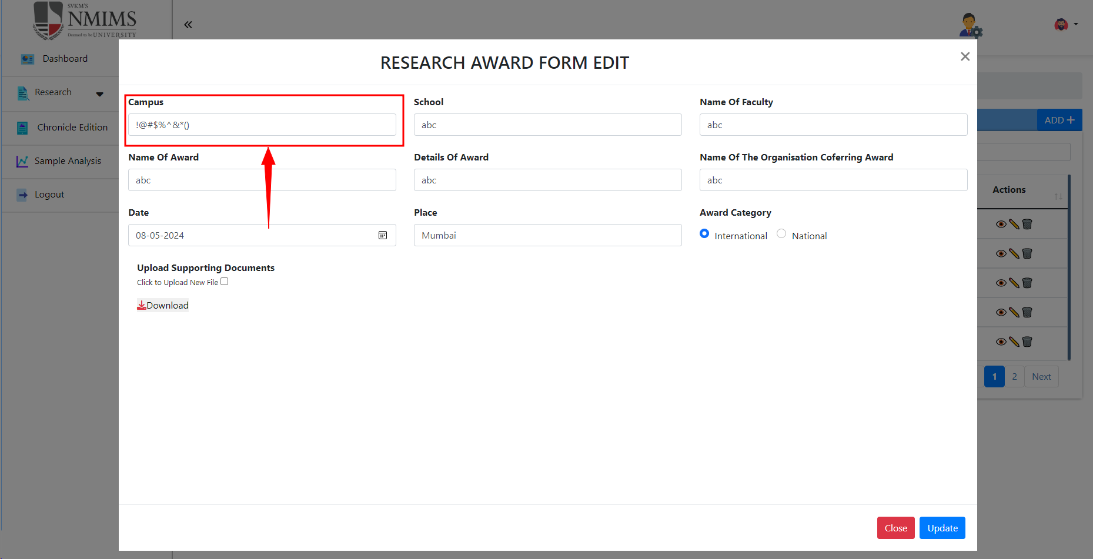 | Done
3 | School name accepts numeric values | When any number is entered in school field it gets accepted | 1) Open URL https://dev-portal.svkm.ac.in/researches/user 2) Enter valid user name and password 3) Click on research in dashboard 4) Click on Research awards 5) Enter campus 6) Enter School | Only Numeric value should not get accepted | Only Numeric values are getting accepted | High | 2024-04-30 |  | Firdous | Fail | DONE | Not resolved | 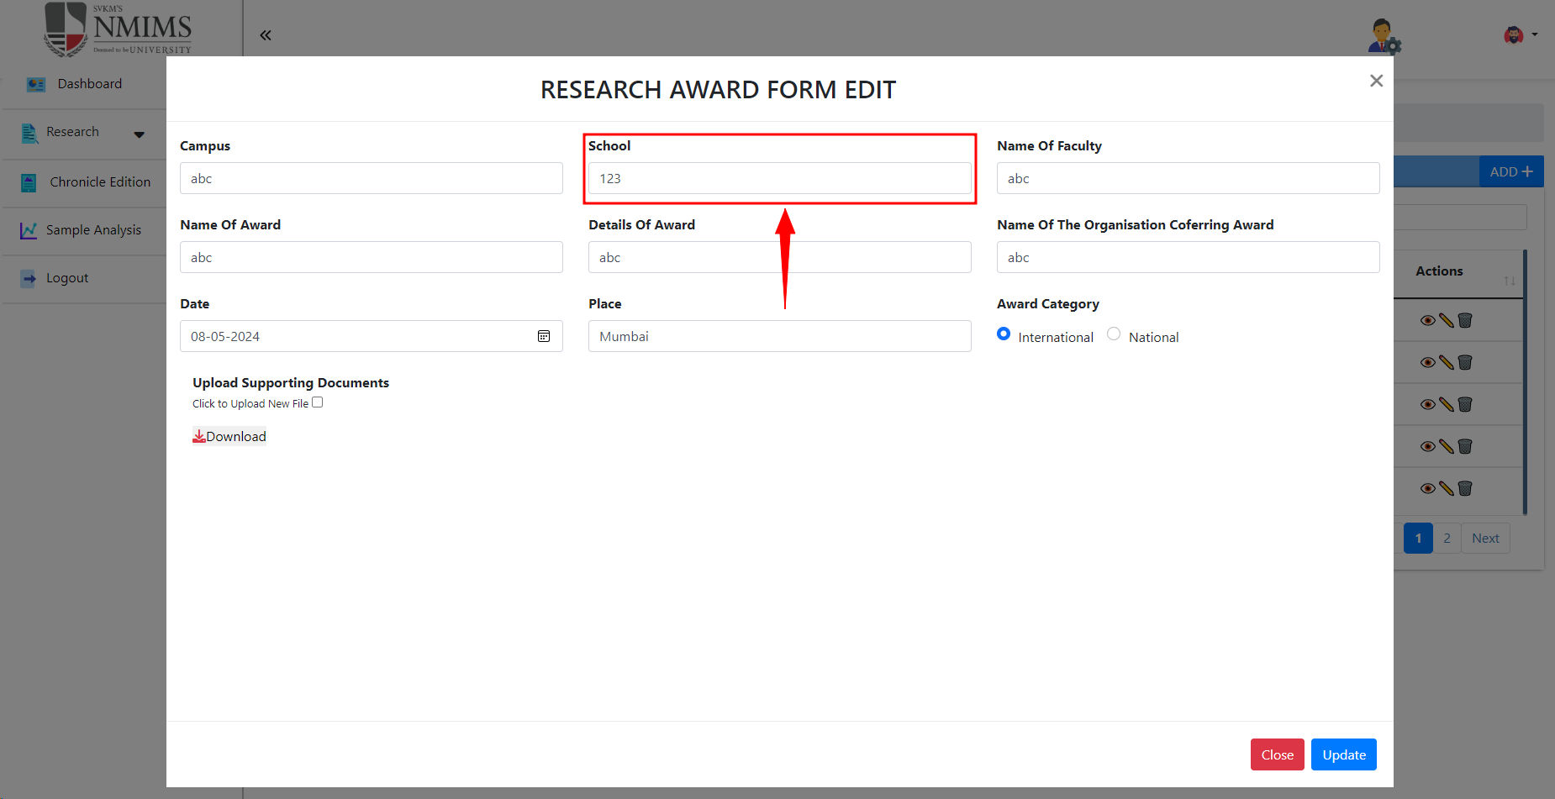 | Done
4 | School name accepts special character | When any special charachter is entered in school field it gets accepted | 1) Open URL https://dev-portal.svkm.ac.in/researches/user 2) Enter valid user name and password 3) Click on research in dashboard 4) Click on Research awards 5) Enter campus 6) Enter School | Only special character should not get accepted | Only special character is getting accepted | High | 2024-04-30 |  | Firdous | Fail | DONE | Not resolved | 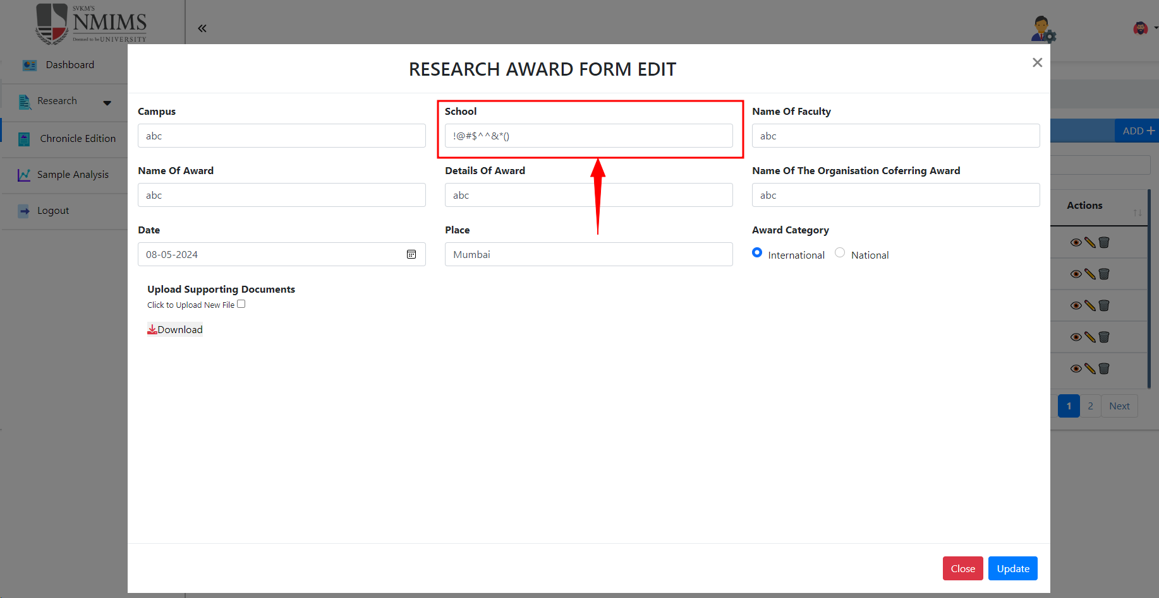 | Done
5 | Faculty name accepts numeric value | When any number is entered in faculty name it gets accepted | 1) Open URL https://dev-portal.svkm.ac.in/researches/user 2) Enter valid user name and password 3) Click on research in dashboard 4) Click on Research awards 5) Enter campus 6) Enter School 7) Enter Faculty name | Only Numeric value should not get accepted | Only Numeric values are getting accepted | High | 2024-04-30 |  | Firdous | Fail | DONE | Solved |  | Done
6 | Faculty name accepts special character | When any special charachter is entered in faculty name field it gets accepted | 1) Open URL https://dev-portal.svkm.ac.in/researches/user 2) Enter valid user name and password 3) Click on research in dashboard 4) Click on Research awards 5) Enter campus 6) Enter School 7) Enter Faculty name | Only special character should not get accepted | Only special character is getting accepted | High | 2024-04-30 |  | Firdous | Fail | DONE | Solved |  | Done
7 | Award name accepts numeric value | When any number is entered in Award name it gets accepted | 1) Open URL https://dev-portal.svkm.ac.in/researches/user 2) Enter valid user name and password 3) Click on research in dashboard 4) Click on Research awards 5) Enter campus 6) Enter School 7) Enter Faculty name 8) Enter award name | Only Numeric value should not get accepted | Only Numeric values are getting accepted | High | 2024-04-30 |  | Firdous | Fail | DONE | Not resolved | 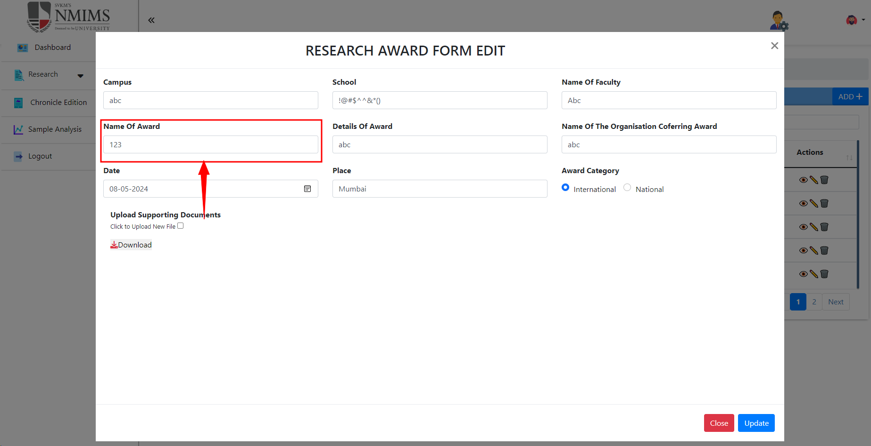 | Done
8 | Award name accepts special character | When any special charachter is entered in award name field it gets accepted | 1) Open URL https://dev-portal.svkm.ac.in/researches/user 2) Enter valid user name and password 3) Click on research in dashboard 4) Click on Research awards 5) Enter campus 6) Enter School 7) Enter Faculty name 8) Enter award name | Only special character should not get accepted | Only special character is getting accepted | High | 2024-04-30 |  | Firdous | Fail | DONE | Not resolved | 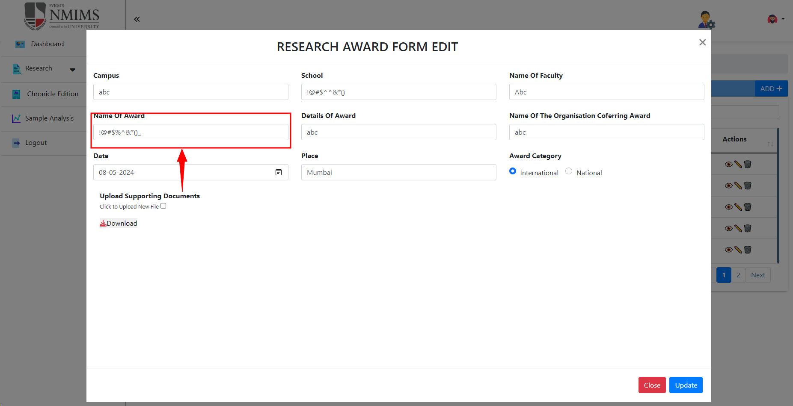 | Done
9 | Details of award accepts numeric value | When any number is entered in Details of Award it gets accepted | 1) Open URL https://dev-portal.svkm.ac.in/researches/user 2) Enter valid user name and password 3) Click on research in dashboard 4) Click on Research awards 5) Enter campus 6) Enter School 7) Enter Faculty name 8) Enter award name 9) Enter Details of award | Only Numeric value should not get accepted | Only Numeric values are getting accepted | High | 2024-04-30 |  | Firdous | Fail | DONE | Not resolved | 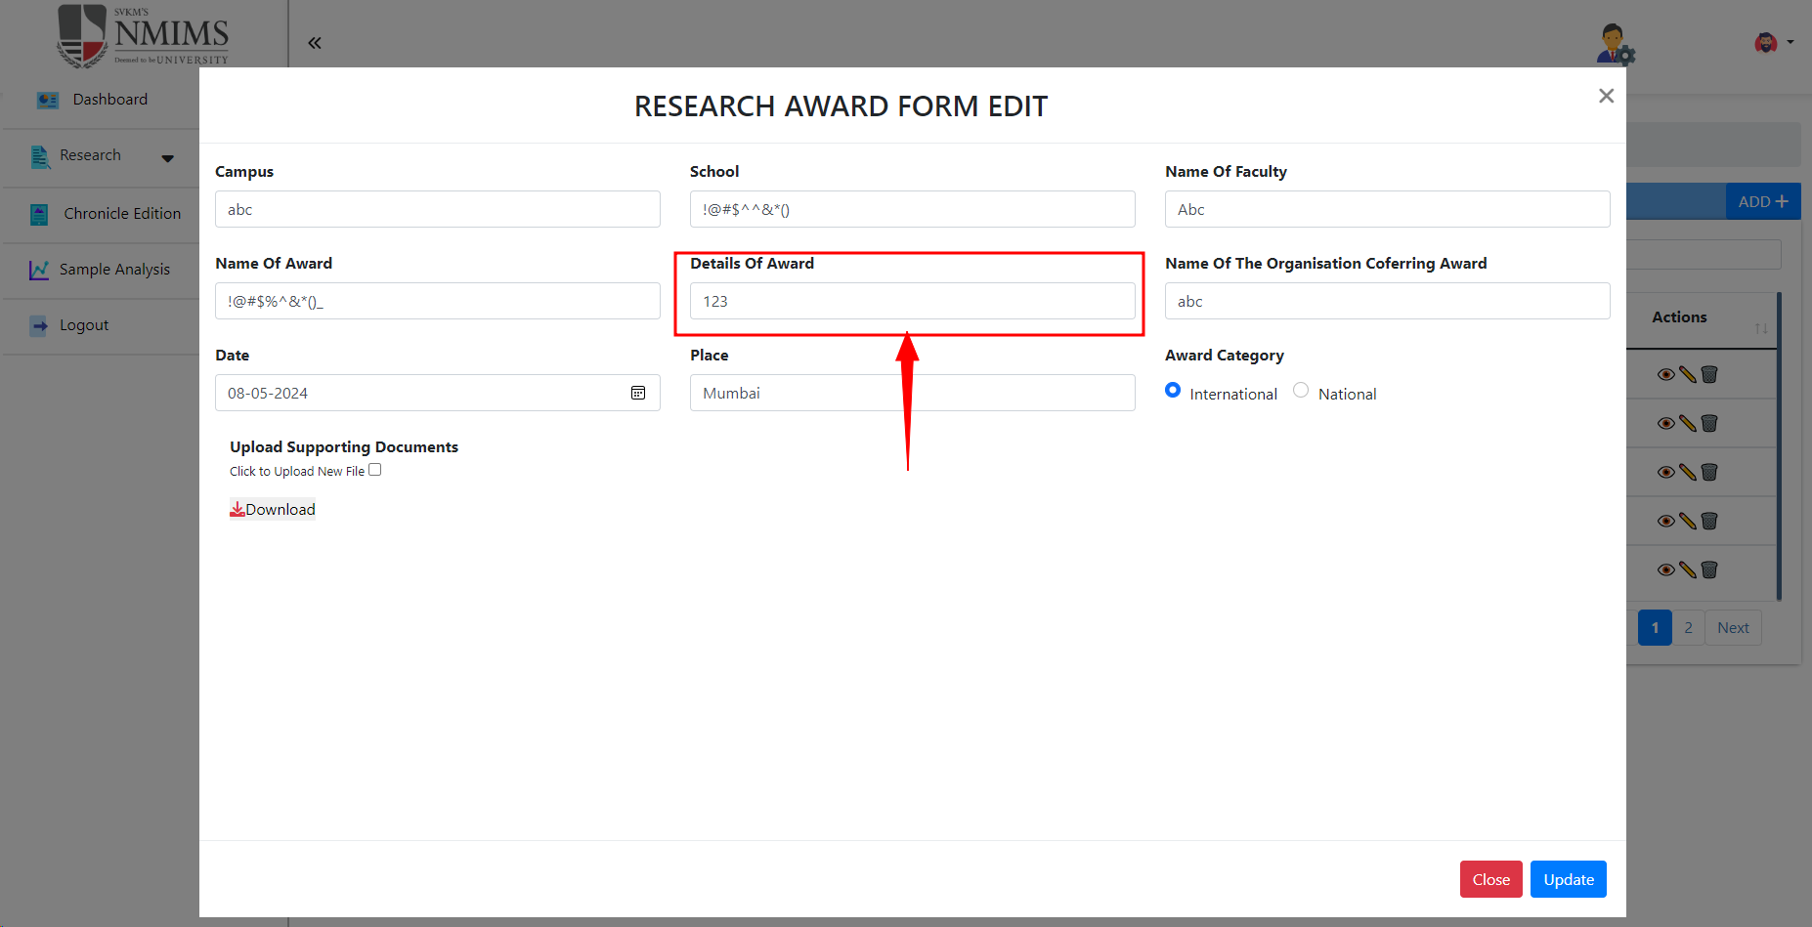 | Done
10 | Details of award accepts special character | When any special charachter is entered in details of award field it gets accepted | 1) Open URL https://dev-portal.svkm.ac.in/researches/user 2) Enter valid user name and password 3) Click on research in dashboard 4) Click on Research awards 5) Enter campus 6) Enter School 7) Enter Faculty name 8) Enter award name 9) Enter details of award | Only special character should not get accepted | Only special character is getting accepted | High | 2024-04-30 |  | Firdous | Fail | DONE | Not resolved | 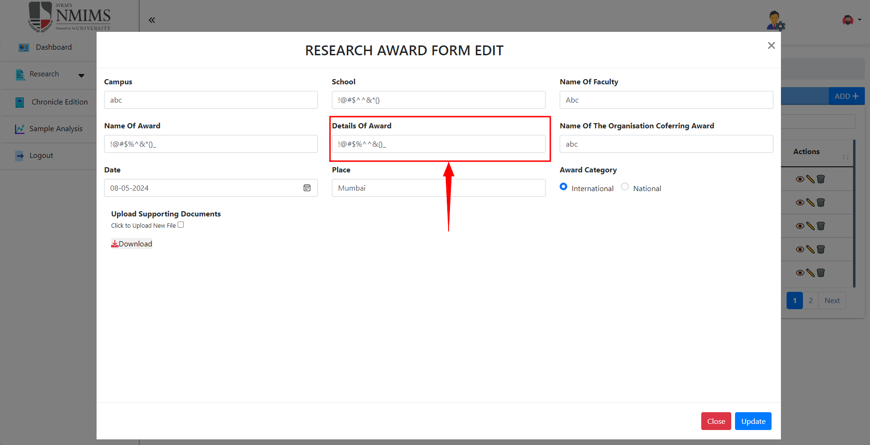 | Done
11 | Name of the organisation cofering award accepts numeric value | When any number is entered in Name of the organisation cofering award it gets accepted | 1) Open URL https://dev-portal.svkm.ac.in/researches/user 2) Enter valid user name and password 3) Click on research in dashboard 4) Click on Research awards 5) Enter campus 6) Enter School 7) Enter Faculty name 8) Enter award name 9) Enter Details of award 10) enter Name of the organisation cofering award | Only Numeric value should not get accepted | Only Numeric values are getting accepted | High | 2024-04-30 |  | Firdous | Fail | DONE | Not resolved | 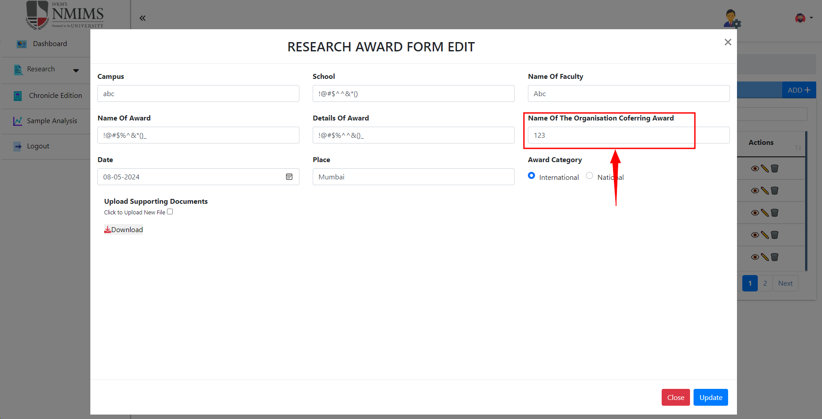 | Done
12 | Name of the organisation cofering award accepts Special charachter | When any special charachter is entered in Name of the organisation cofering award it gets accepted | 1) Open URL https://dev-portal.svkm.ac.in/researches/user 2) Enter valid user name and password 3) Click on research in dashboard 4) Click on Research awards 5) Enter campus 6) Enter School 7) Enter Faculty name 8) Enter award name 9) Enter Details of award 10) enter Name of the organisation cofering award | Only special charachter should not get accepted | Only special charachter is getting accepted | High | 2024-04-30 |  | Firdous | Fail | DONE | Not resolved | 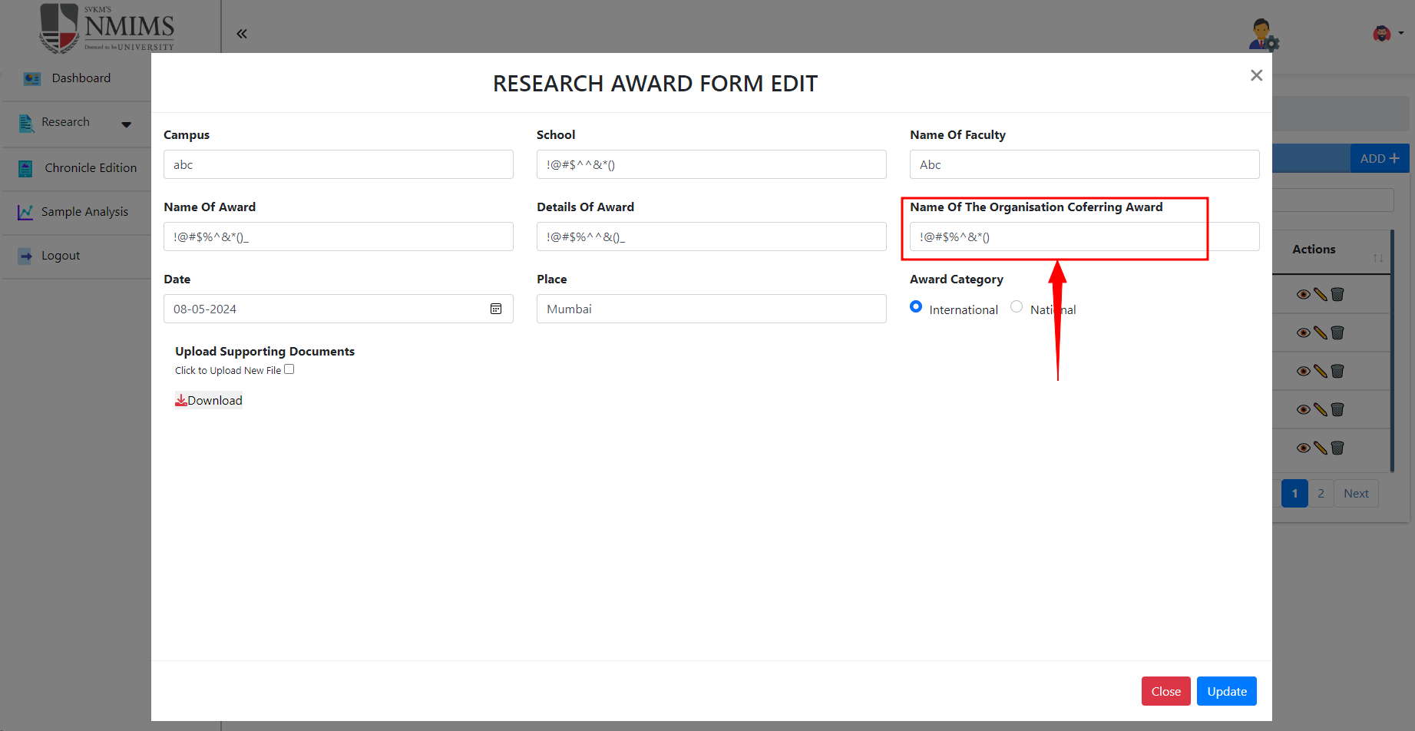 | Done
13 | Place accepts numeric values | When any number is entered in place field it gets accepted | 1) Open URL https://dev-portal.svkm.ac.in/researches/user 2) Enter valid user name and password 3) Click on research in dashboard 4) Click on Research awards 5) Enter campus 6) Enter School 7) Enter Faculty name 8) Enter award name 9) Enter Details of award 10) enter Name of the organisation cofering award 11) Enter place name | Only Numeric value should not get accepted | Only Numeric values are getting accepted | High | 2024-04-30 |  | Firdous | Fail | DONE | Not resolved | 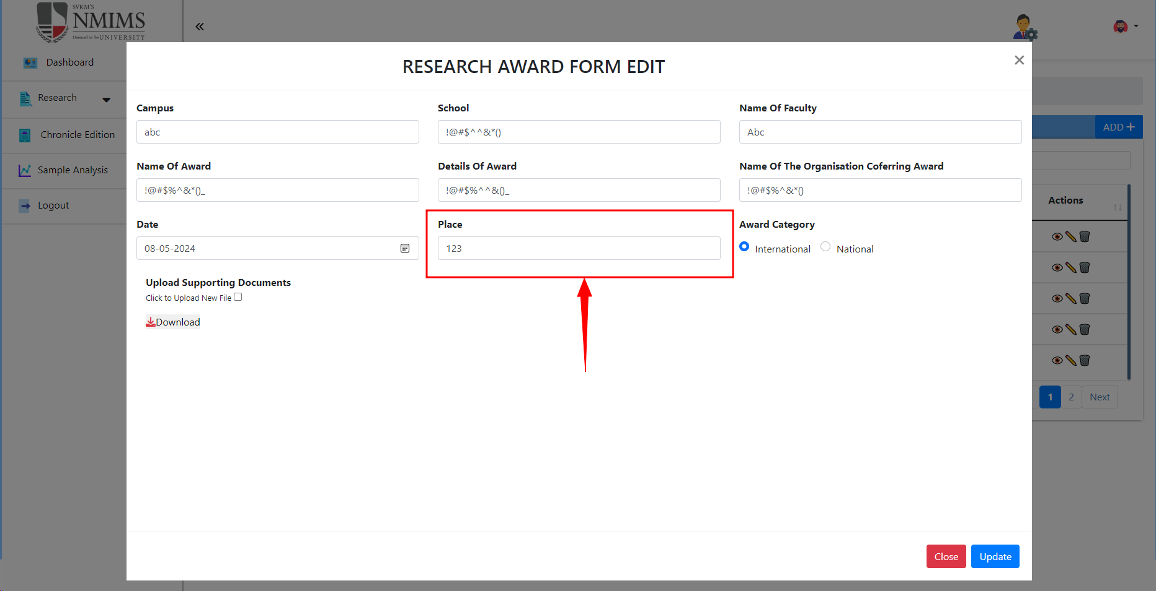
14 | Place accepts special charachters | When any special charachter is entered in place it gets accepted | 1) Open URL https://dev-portal.svkm.ac.in/researches/user 2) Enter valid user name and password 3) Click on research in dashboard 4) Click on Research awards 5) Enter campus 6) Enter School 7) Enter Faculty name 8) Enter award name 9) Enter Details of award 10) enter Name of the organisation cofering award 11) Enter place name | Only special charachter should not get accepted | Only special charachter is getting accepted | High | 2024-04-30 |  | Firdous | Fail | DONE | Not resolved | 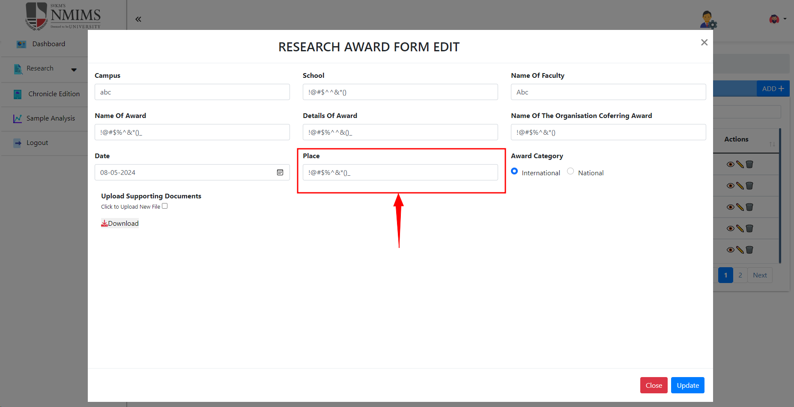 | Done
15 | Upload supporting documents should be mandatory | When submitting without uploading any document it gets submitted | 1) Open URL https://dev-portal.svkm.ac.in/researches/user 2) Enter valid user name and password 3) Click on research in dashboard 4) Click on Research awards 5) Enter campus 6) Enter School 7) Enter Faculty name 8) Enter award name 9) Enter Details of award 10) enter Name of the organisation cofering award 11) Enter place name 12) Upload document | Without uploading document form should not get submitted | Without uploading document form is getting submitted | High | 2024-04-30 |  | Firdous | Fail | done | Solved
16 | Upload supporting documents should be mandatory | After uploading file when refreshed and then when opened the form again by clicking on edit, the submitted form is not seen uploaded it shows no file choosen | 1) Open URL https://dev-portal.svkm.ac.in/researches/user 2) Enter valid user name and password 3) Click on research in dashboard 4) Click on Research awards 5) Enter campus 6) Enter School 7) Enter Faculty name 8) Enter award name 9) Enter Details of award 10) enter Name of the organisation cofering award 11) Enter place name 12) Upload document | File should be visible even after refreshing | File is not visible after refreshing | High | 2024-04-30 |  | Firdous | Fail | Done | Solved |  | Done
17 | Uploaded file doesn’t download by clicking on download button | After clicking on download button uploaded file does not get downloaded and shows error "Failed to download file: error in downloading file: undefined" | 1) Open URL https://dev-portal.svkm.ac.in/researches/user 2) Enter valid user name and password 3) Click on research in dashboard 4) Click on Research awards 5) Enter campus 6) Enter School 7) Enter Faculty name 8) Enter award name 9) Enter Details of award 10) enter Name of the organisation cofering award 11) Enter place name 12) Upload document 13) Download uploaded file | Uploaded file should get downloaded after clicking on download button | Uploaded file is not getting downloaded after clicking on download button | High | 2024-04-30 |  | Firdous | Fail |  | Not resolved | 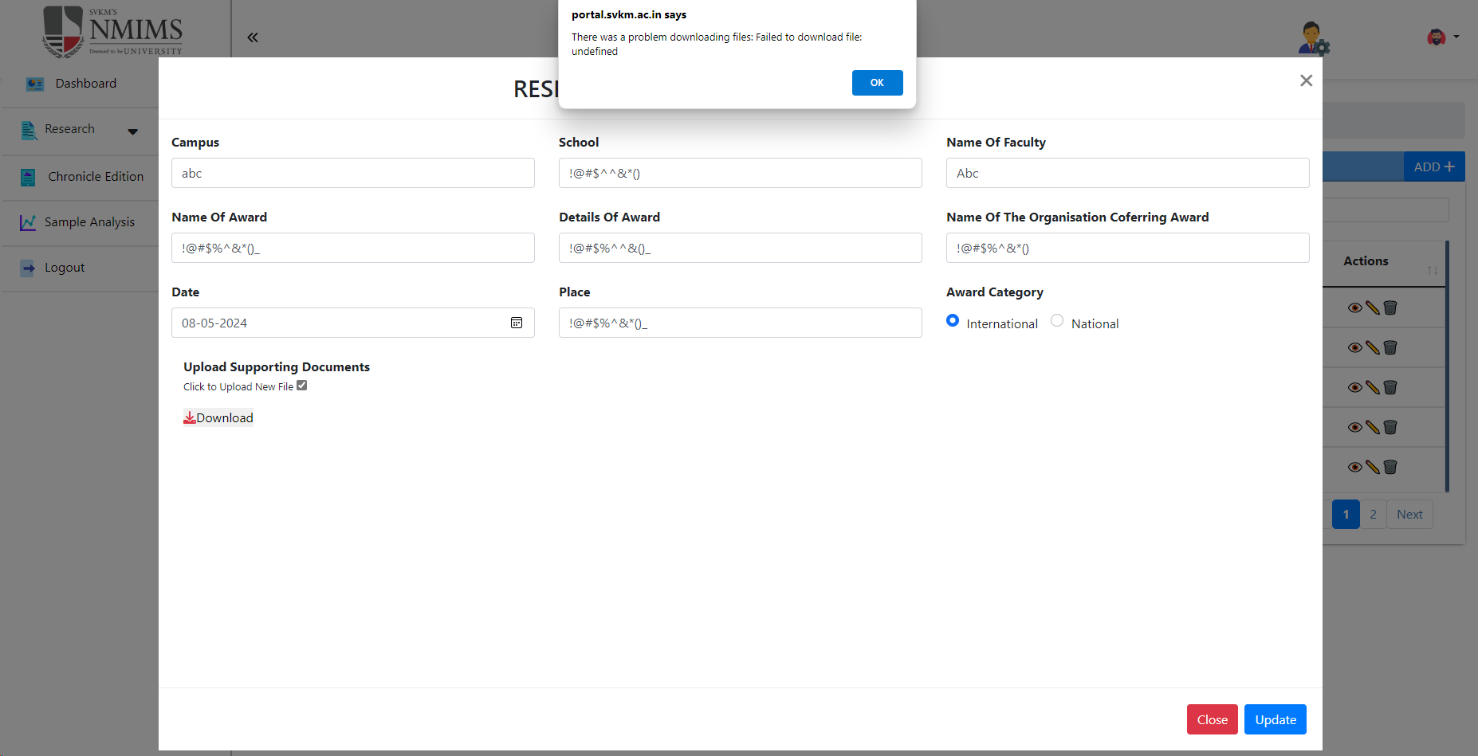 | Done
18 | Total entries not reflecting correctly | When selected 5 entries to display it shows only 4 | 1) Open URL https://dev-portal.svkm.ac.in/researches/user 2) Enter valid user name and password 3) Click on research in dashboard 4) Click on Research awards | 5 entries should be displayed when selected 5 | 4 entries are shown when selected 5 | Low | 2024-04-30 |  | Firdous | Fail | DONE
19 | Need modification in error message | Error message when only numeric value or only special charachter is entered should be modified | 1) Open URL https://dev-portal.svkm.ac.in/researches/user 2) Enter valid user name and password 3) Click on research in dashboard 4) Click on Research awards 5) Enter campus 6) Enter School 7) Enter Faculty name | Error message Invalid input should be displayed | Error message provide valid input is displayed | Low | 2024-05-08 |  | Firdous | Fail |  |  |  | NA
20 | Spelling mistake | Spelling of conferring is entered incorrectly | 1) Open URL https://dev-portal.svkm.ac.in/researches/user 2) Enter valid user name and password 3) Click on research in dashboard 4) Click on Research awards 5) Enter campus 6) Enter School 7) Enter Faculty name 8) Enter award name 9) Enter Details of award 10) enter Name of the organisation cofering award | Correct spelling is Conferring | Spelling displayed is coferring | High | 2024-05-08 |  | Firdous | Fail |  |  |  | Done
21 | All content of form should be displayed on front | All content of form should be displayed on front | 1) Open URL https://dev-portal.svkm.ac.in/researches/user 2) Enter valid user name and password 3) Click on research in dashboard 4) Click on Research awards | All content of form should be displayed on front | All content of form is not displayed on front | Low | 2024-05-08 |  | Firdous | Fail |  |  |  | NA

